Sheet1
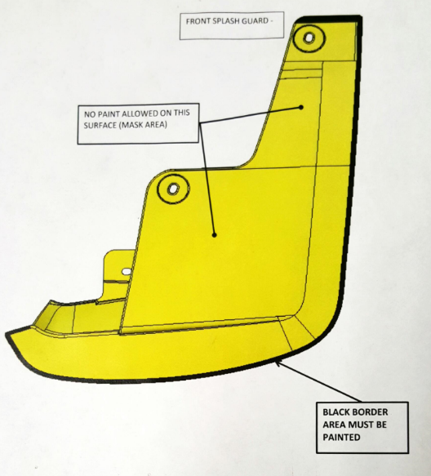
 | Visual Aid |  |  | Process Information

 | Created By: Megan Rumble | Date Created | 24-Aug-16 | Customer Name: PAPP
Product Line: ALL | Revised By: B. Trafananko | Date Revised | 20-Dec-16 | Part Name: Splash Guards
Operation: Masking | Approved By: Becky Trafananko |  |  | Part Number: All Guards
Equipment Name: N/A |  |  |  | Document# 8.5.2.20

